Inbiound queue
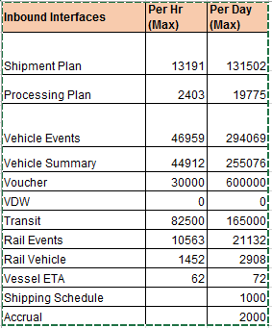
Events | Per day Count(Max) | Per Hour Count(max) | Queue in AS IS | Current queue depth | Current Message length | Comments
Shipment Plan Create | 8378 | 2896 | VEHFPR.TTMS.OUTBOUND | 1000000 | 4194304 | Per day total Count =265463 Sum of current Max queue depth = 3000000 It can hold the backup of 10 days data
Shipment Plan Update | 13223 | 1498
Shipment Plan Delete | 316 | 3
Processing Plan Create | 2455 | 641
Processing Plan Update | 754 | 158
Plan Delete | 86 | 2
ASN/ASR | 10152 | 1755
TDR | 2319 | 169
TDW | 18 | 0
TS1 | 2292 | 464 | VEHFPR.INBOUND.SHIPMENT | 1000000 | 4194304
TSC | 4674 | 3639
TAU | 0 | 0
TAC | 5158 | 1923
TAI | 564 | 294
LPR(B2B) | 2317 | 520 | VEHFPR.VDC.VEHICLE | 1000000 | 100000
RCU | 0 | 0 | VEHFPR.TTMS.OUTBOUND
RC1 | 3158 | 787 | VEHFPR.INBOUND.SHIPMENT
RCV | 62 | 54
RSC | 363 | 680
RR1 | 74 | 65
TSO | 3064 | 951
Voucher | 150000 | 6250
VDW
Transit | 55000 | 55000
ETA | 36 | 31
Shipping Schedule | 1000 | 41

